Sheet1
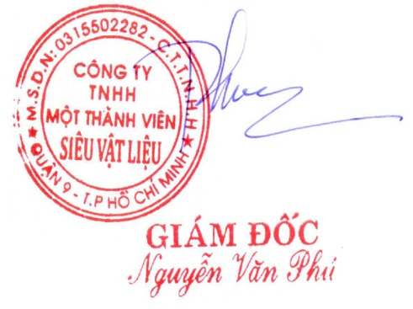
SUPER MATERIALS ONE MEMBER COMPANY LIMITED
Tax Code. 0315502282 | Postal Code. 700000
A. 201/15 Le Van Viet Street, Hiep Phu Ward, District 9, Ho Chi Minh City, Vietnam
T. +84 98 9944 746 | F. -
E. purchasing@ss-materials.com | W. www.ss-materials.com

PURCHASE ORDER
 |  |  |  | PO No.: 050619/PO/SM-Ti
 |  |  |  |  |  | Date: June 05, 2019
FROM: SUPER MATERIALS ONE MEMBER COMPANY LIMITED 201/15 Le Van Viet Street, Hiep Phu Ward, District 9, Ho Chi Minh City, Vietnam T. +84 98 9944 746 | F. - |  |  |  | TO: TITANIUM INDUSTRIES No 31, Wuquan 3rd Rd., New Taipei Industrial Park, New Taipei City 24891, Taiwan T. +886 963935363 | F. +886 222988779 Attn: Mr. KC Hoh

Thank you for your offer, we are pleased to ORDER the following materials:

No. | Items and Description |  |  | Quantity (Pc) | Unit Price (USD/pc) |  | Total Price (USD)

1 | Round bar Titanium Grade 2 |  |  | 2 |  | 1,483.2 |  | 2,966.4
 | Spec: ASTM B348 Gr. 2 MILL ORIGIN: TSI Titanium / USA Heat No.: HN6865
 | Size: 1.75”DIA X 144”RL
2 | Plate Titanium Grade 2 |  |  | 110 |  | 7.0 |  | 770.0
 | Spec: ASTM B265 Gr. 2 MILL ORIGIN: ATI / USA Heat No.: UCR8F78
 | Shear tolerance: -0"/+0.0625" Size: 0.7874”T X 0.866”W X 1.181”L
3 | Packing charge |  |  | 1 |  | 150.0 |  | 150.0
4 | Inland transfer |  |  | 1 |  | 220.0 |  | 220.0

TOTAL |  | Ex-Works New Jersey warehouse, USA |  |  | USD |  | 4,106.4

* Lead time: |  |  | Maximum 02 weeks upon receipt of advanced payment.
* Delivery term: |  |  | Ex-Works New Jersey warehouse, USA.
* Payment: |  |  | 100% in advance.
* Required documents: |  |  | Mill Test Reports (certified as true copy), Certificate of Origin, Commercial Invoice, Packing List.

* Packing & marking: |  |  | Pack in wooden pallet and shrink-wrapped in protective plastic, packing carefully with wrapping to avoid scratch. Stick two items stay together, not separately. Round bar has original marking on surface about size, material grade, Heat No., mill maker, origin. Regarding plates, take pictures about original marking of the big plate and send to us before cutting into small ones. Send pictures about materials before and after and packing.

*Please attach carefully all the required documents mentioned above in/on the cargo. **All banking expenses inside Vietnam are covered by Buyer and all banking expenses outside Vietnam has to be covered by Seller.

Thanks & Best Regards,
CONFIRMATION OF BUYER |  |  |  |  | CONFIRMATION OF SELLER

